Screen_Name
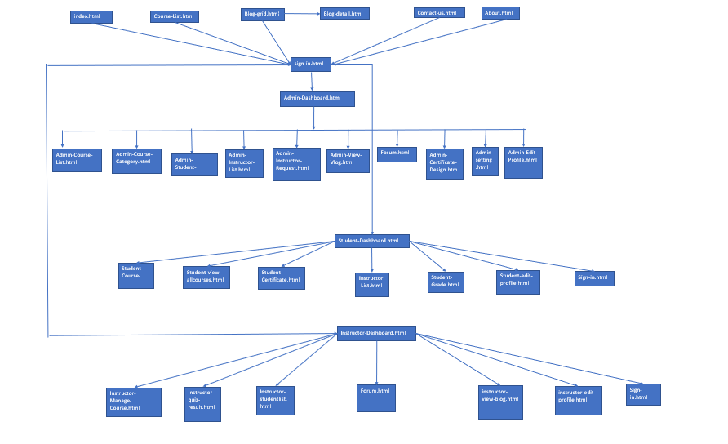
Phase
Project ID
Project Name

